Dashboard - Sample
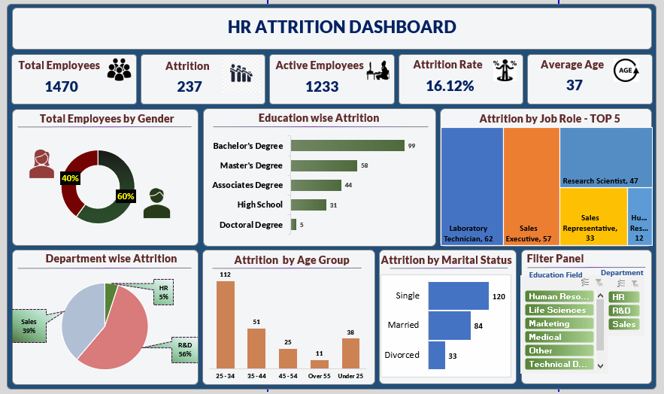

Dashboard
`
HR Attrition Dashboard

Total Employees
Attrition
Active Employees
Attrition Rate
Average Age

237
1233
16.12%
37
1470

Total Employees by Gender
Education wise Attrition
Attrition by Job Role-Top 5

 | Total
Female | 40%
Male | 60%
 | Total
Associates Degree | 44
Bachelor's Degree | 99
Doctoral Degree | 5
High School | 31
Master's Degree | 58

Department wise Attrition
Attrition by Age Gap
Attrition by Marital Status
Filter panel

 | Total
HR | 5%
R&D | 56%
Sales | 39%
 | Total
25 - 34 | 112
35 - 44 | 51
45 - 54 | 25
Over 55 | 11
Under 25 | 38
 | Total
Divorced | 33
Married | 84
Single | 120

male vs female
Row Labels | Count of Employee Number
Female | 40% | Female | 40%
Male | 60% | Male | 60%
Grand Total | 100.00%

education
Row Labels | Sum of CF_attrition counts
Associates Degree | 44
Bachelor's Degree | 99
Doctoral Degree | 5
High School | 31
Master's Degree | 58
Grand Total | 237

dept wise attrition
Row Labels | Sum of CF_attrition count
HR | 5%
R&D | 56%
Sales | 39%
Grand Total | 100.00%

attrition by age gap
Row Labels | Sum of CF_attrition count
25 - 34 | 112
35 - 44 | 51
45 - 54 | 25
Over 55 | 11
Under 25 | 38
Grand Total | 237

attrition by marital status
Row Labels | Sum of CF_attrition count
Divorced | 33
Married | 84
Single | 120
Grand Total | 237

